Equipment
Equipment
Gloves
Balance/Scale
Portion Cups of Varying Sizes - 2 oz souffle - 8 oz deli container - 16 oz deli container - 32 oz deli container | 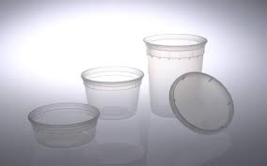 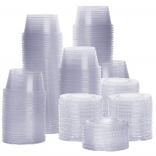
Medium Saucepan | 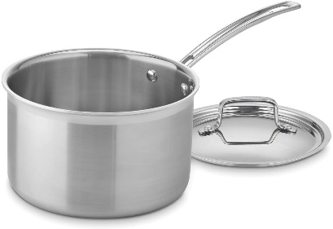
Large Metal Stockpot | 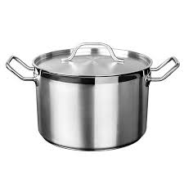
Large Metal Pan
Colander | 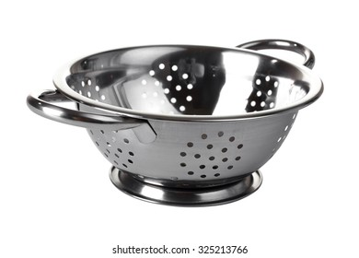
Rubber Spatula | 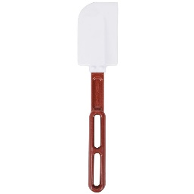
Crockpot, 6 qt | 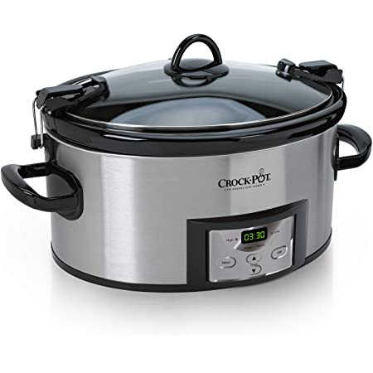

Ingredients
Ingredient needs for 1 batch of OG 002v TOMATO SAUCE |  |  | Ingredient needs for 1 batch of IP 003v TOMATO SAUCE |  |  | Ingredient needs for 1 batch of IPS 004v TOMATO SAUCE
Ingredient | Image | Amount Needed | Ingredient | Image | Amount Needed | Ingredient | Image | Amount Needed
Hunt's Tomato Sauce, no salt added |  | 1000 g | Hunt's Tomato Sauce, no salt added |  | 1000 g | Hunt's Tomato Sauce, no salt added | 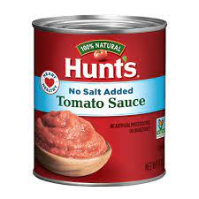 | 1000 g
Olive Oil |  | 8 g | Olive Oil |  | 8 g | Olive Oil |  | 8 g
Iodized Salt | 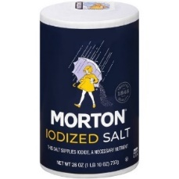 | 10.3 g | Iodized Salt |  | 6 g | Iodized Salt |  | 6 g
Granulated Sugar |  | 14.42 g | Oregano, dried |  | 0.5 g | Oregano, dried |  | 1 g
Oregano, dried |  | 0.5 g | Basil, dried |  | 0.35 | Basil, dried |  | 1 g
Basil, dried |  | 0.35 g |  |  |  | Onion Powder |  | 10 g
 |  |  |  |  |  | Garlic Powder |  | 8 g
 |  |  |  |  |  | Black Pepper, shaker grind |  | 0.5 g
 |  |  |  |  |  | Paprika |  | 2 g

Ingredient needs for 1 batch of OG 002v Pasta and Meat/Tomato Sauce |  |  | Ingredient needs for 1 batch of IP 003v Pasta and Meat/Tomato Sauce |  |  | Ingredient needs for 1 batch of IPS 004v Pasta and Meat/Tomato Sauce
Ingredient | Image | Amount Needed | Ingredient | Image | Amount Needed | Ingredient | Image | Amount Needed
Rotini Pasta | 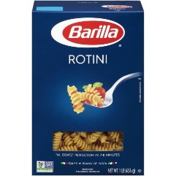 | ~ 500g dry weight 1107.76 g cooked weight | Rotini Pasta |  | ~ 500g dry weight 1107.76 g cooked weight | Rotini Pasta |  | ~ 500g dry weight 1107.76 g cooked weight
Tomato Sauce OG 002v |  | 835.77 g | Tomato Sauce IP 002v |  | 835.77 g | Tomato Sauce IPS 003v |  | 835.77 g
Ground Beef, 80/20, raw | 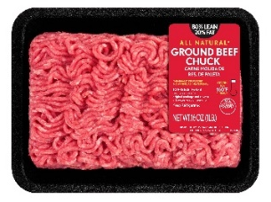 | 285.47 g | Ground Beef, 95/5, raw |  | 281.26 g | Ground Beef, 95/5, raw |  | 281.26 g
Iodized Salt |  | 2.61 g | Iodized Salt |  | 1.5 g | Iodized Salt |  | 1.5 g

Original
Procedure for OG 002v Pasta w/Tomato and Meat Sauce
YIELD: 1 quart Tomato Sauce, 1 quart Meat Sauce, 40 portions
TOMATO SAUCE - make 1-2 days prior to testing
1. Collect and scale all the following ingredients individually: - Hunt's Tomato Sauce, no salt added 1000g - Granulated Sugar 14.42g - Olive Oil 10g - Iodized Salt 10.3g - Oregano, dried 0.5g - Basil, dried 0.35g
2. In a saucepan over medium high heat, combine all ingredients. Stir until fully incorporated. | 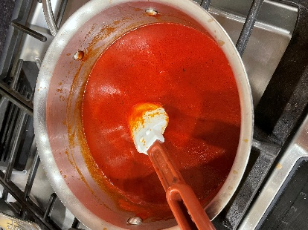
3. Bring sauce to a boil, then reduce heat to low and simmer for 8-10 minutes. | 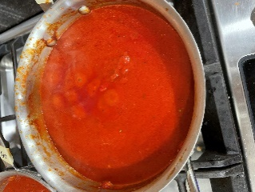
4. Remove from heat and cool completely. Store refrigerated until needed.
MEAT SAUCE - make 1-2 days prior to testing
1. Collect and scale all the following ingredients individually: - Ground Beef, 80/20, raw 285.47g - OG 002v Tomato Sauce 835.77g - Iodized Salt 2.61g | 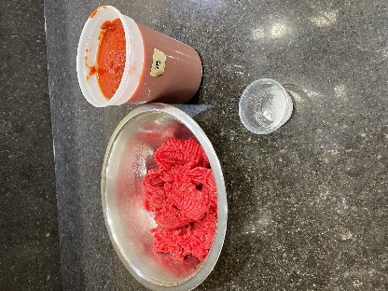
2. In large saute pan over medium high heat, cook beef until no longer pink, approximately 10 minutes. | 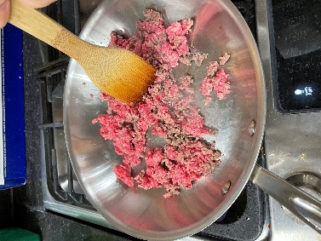 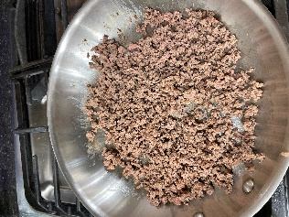
3. Add OG 002v Tomato Sauce and salt. Reduce heat to low and simmer for 5 minutes. | 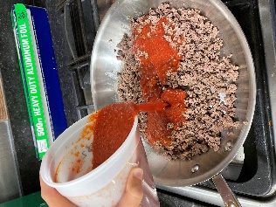
4. Remove sauce from heat. Cool completely and hold refrigerated until day of test. Can be made up to 2 days before test.
DAY OF TEST
1. In a large stock pot, boil water. Add 500 g of dry rotini pasta and boil for 12 minutes. Stir pasta occasionally. | 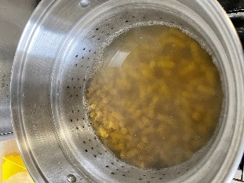
2. Strain pasta. Weigh out 1107.76 g. Hold cooked pasta until needed. Note: There will be more cooked pasta than needed.
3. In a large pot over medium low heat, reheat Tomato and Meat Sauce to 165˚F, will take about 20 minutes. Place in crockpot on "warm" setting. Hold for test. | 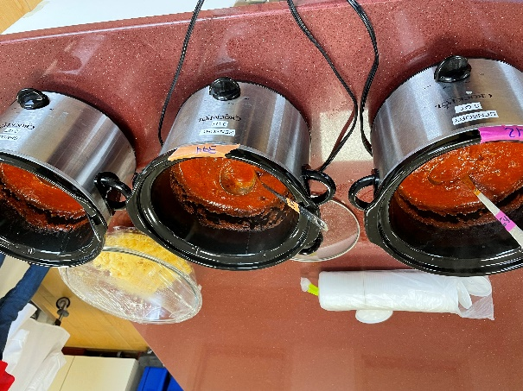
3. TO SERVE: To a portion cup, add 1/4 cup pasta and top with 1 oz of meat sauce. Hold pasta for no longer than 20 minutes and hold sauce in crockpot at 165˚F, for up to 1 hour.

